Input
Input Parameters for 2-D Transport Model with Depleting DNAPL Source, Biodecay and Volatilization

 | Instructions: Complete/edit ALL light yellow fields except as noted* |  |  |  |  |  | Written by: Jack C Parker, University of Tennessee

 | Help: Technical details of model
 | Aquifer parameters | Help | Value |  |  | Notes: | Dissolved plume decay parameters | Help | Aquifer Zone 1 | Aquifer Zone 2 optional* |  | Notes:

 | Groundwater darcy velocity |  | 0.063 | m/d |  | K=25 ft/d, grad = (210-160)ft * 0.3 / 2100 m | Aqueous decay coefficient |  | 0.00016 | 0.00016 | 1/d | from push pull tests
 | Aquifer porosity |  | 0.30 | - |  | range 0.2-0.4 | Distance from source to Zone 2* |  | 1000 |  | m | half of plume length
 | Longitudinal dispersivity |  | 100 | m |  | calibrate to plume
 | Transverse dispersivity |  | 5 | m |  | calibrate to plume | Volatilization from groundwater
 | Aquifer thickness |  | 10 | m |  | range from ~20 m near source to 0 at stream | Consider volatilization? (yes/no) |  | yes | yes
 | Retardation factor |  | 1.25 | - |  | from push pull tests | Unsat zone darcy velocity (+down) |  | -0.0083 | 0.0000 | m/d | from met data
 |  |  |  |  |  |  | Unsat zone total porosity |  | 0.40 | 0.40 | - | based on aquifer porosity
 | DNAPL Source Zone | Help |  |  |  |  | Unsat zone air-filled porosity |  | 0.20 | 0.20 | - | guestimate
 |  |  |  |  |  |  | Unsat zone thickness |  | 2 | 2 | m | varies from 20 ft near source to 0 at creek
 | Estimate of release date |  | 1951 | year |  | waste pit construction | Relative barometric P range |  | 0.015 | 0.015 | - | typical values
 | Source calibration date |  | 1999 | year |  |  | Period of barometric P fluctuation |  | 3 | 3 | d | typical values
 | Mass flux on calibration date |  | 0.027 | kg/d |  | calibrate to plume (10 kg/yr = 0.027 kg/d as first est) | Free air diffusion coefficient |  | 0.71 | 0.71 | m2/d | for TCE
 | Source mass on calibration date |  | 100 | kg |  | calibrate | Henry's coefficient |  | 0.31 | 0.31 | - | for TCE at ~10 deg C
 | Source zone width |  | 10 | m |  | pit width in direction of flow | Vertical GW dispersivity |  | 0.30 | 0.30 | m | conservative guestimate
 | Source depletion exponent |  | 0.8 | - |  | calibrate (need time series) | Vertical vapor dispersivity |  | 0.30 | 0.30 | m | conservative guestimate
 | Source biodecay factor |  | 0.019 | - | Calc | compute from Fbio sheet | Volatilization coefficient (computed) |  | 0.00027 | 0.00018 | 1/d
 | Remediation date |  | 2005 | year
 | Remediation mass removal |  | 50 | kg |  |  | Total plume decay coefficient |  | 0.00043 | 0.00034 | 1/d
 | Remediation mass transfer enhancement |  | 1.00 | -
 | Source biodecay enhancement factor |  | 0.0 | -

 |  |  |  |  |  |  | * If only single aquifer decay zone is desired, input large value for
 |  |  |  |  |  |  | "Distance from source to zone 2" and disregard zone 2 parameters
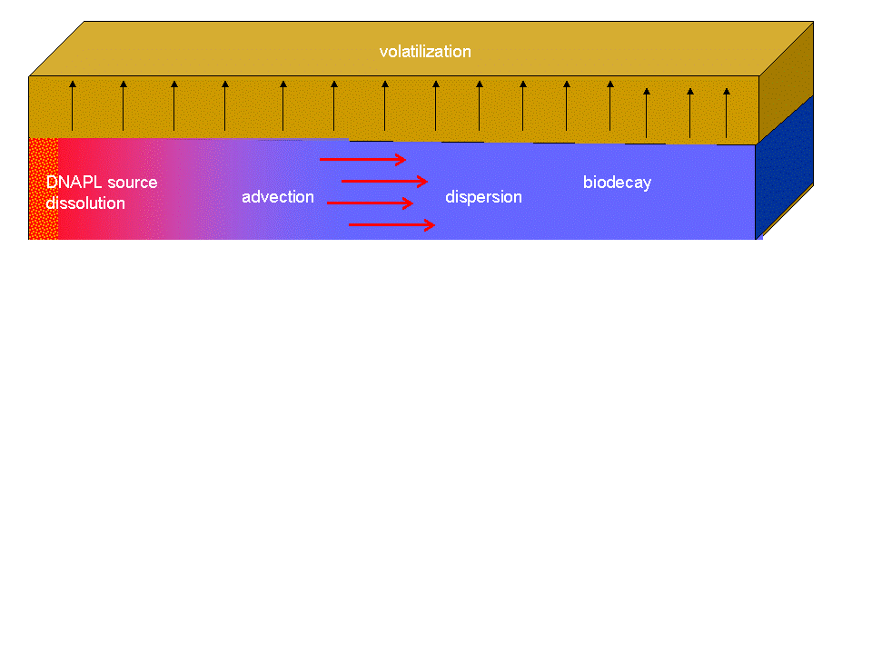

 |  |  |  |  |  |  | Volatilization calcs |  | Zone1 | Zone2
 |  |  |  |  |  |  | Aqueous diffusion coefficient |  | 7.1E-05 | 7.1E-05 | m2/d
 |  |  |  |  |  |  | Air viscosity |  | 0.00002 | 0.00002 | kg/m/s
 |  |  |  |  |  |  | Atm pressure |  | 1.00E+05 | 1.00E+05 | kg/m/s2
 |  |  |  |  |  |  | Effective vapor diffusivity |  | 0.022 | 0.022 | m2/d
 |  |  |  |  |  |  | Effective vertical GW diffusivity |  | 0.0188 | 0.0188 | m2/d
 |  |  |  |  |  |  | I sat |  | 82.60 | 82.60 | d/m
 |  |  |  |  |  |  | I soil |  | 33.80 | 89.056 | d/m
 |  |  |  |  |  |  | kappa |  | 0.290 | 0.519 | -
 |  |  |  |  |  |  | Unsat zone thickness |  | 2.0 | 2 | m
 |  |  |  |  |  |  | Aquifer thickness |  | 10.0 | 10.0
 |  |  |  |  |  |  | Groundwater darcy velocity |  | 0.063 | 0.063

 |  |  |  |  |  |  | Parameter Summary
 |  |  |  |  |  |  | Mass flux on calibration date |  | Jcal | 0.027 | kg/d
 |  |  |  |  |  |  | Source mass on calibration date |  | Mcal | 100 | kg
 |  |  |  |  |  |  | Source depletion exponent |  | beta | 0.80 | -
 |  |  |  |  |  |  | Source width |  | Ly | 10 | m
 |  |  |  |  |  |  | Aquifer thickness |  | Lz | 10 | m
 |  |  |  |  |  |  | Release date |  | Y0 | 1951 | yr
 |  |  |  |  |  |  | Calibration date |  | Ycal | 1999 | yr
 |  |  |  |  |  |  | Darcy velocity |  | qw | 0.063 | m/d
 |  |  |  |  |  |  | Aquifer porosity |  | phi | 0.300 | -
 |  |  |  |  |  |  | Retardation factor |  | R | 1.25 | -
 |  |  |  |  |  |  | Longitudinal dispersivity |  | Disp x | 100.0 | m
 |  |  |  |  |  |  | Transverse dispersivity |  | Disp y | 5.0 | m
 |  |  |  |  |  |  | Pre-remediation source decay fraction |  | Fbio | 0.019 | -
 |  |  |  |  |  |  | Pre-remediation zone1 plume decay coef. |  | dk1_pre | 0.00043 | 1/d
 |  |  |  |  |  |  | Distance to zone2 |  | Ldk | 1000 | m
 |  |  |  |  |  |  | Pre-remediation zone2 plume decay coef. |  | dk2_pre | 0.00034 | 1/d
 |  |  |  |  |  |  | Remediation date |  | Yrem | 2005 | yr
 |  |  |  |  |  |  | Remediation mass removal |  | Meff | 50.00 | kg
 |  |  |  |  |  |  | Remediation mass transfer enhancement |  | JcalX | 1.00 | -
 |  |  |  |  |  |  | Remediation source biodecay enhancement |  | FbioX | 0.00 | -

Cxyt
Input Parameters for 2-D Transport Model with Depleting DNAPL Source, Biodecay and Volatilization |  |  |  |  |  |  |  |  |  |  | 1

 | Date (yr) | X (m) | Y (m) | C (mg/L) | Parameter summary* |  |  | For calcs this sheet | From "Input" sheet | Units
 | 30.0 | 25 | 0 | #NAME? | Mass flux on calibration date |  | Jcal | 0.1 | 0.027 | kg/d
 | 30.0 | 50 | 0 | #NAME? | Source mass on calibration date |  | Mcal | 1000 | 100 | kg
 | 30.0 | 75 | 0 | #NAME? | Source depletion exponent |  | beta | 0.6 | 0.8 | -
 | 30.0 | 100 | 0 | #NAME? | Source width |  | Ly | 1000 | 10 | m
 | 30.0 | 125 | 0 | #NAME? | Aquifer thickness |  | Lz | 1 | 10 | m
 | 30.0 | 150 | 0 | #NAME? | Release date |  | Y0 | 0.0 | 1951.0 | yr
25 | 0.0
50 | 0.0
75 | 0.0
100 | 0.0
125 | 0.0
150 | 0.0
175 | 0.0
200 | 0.0
225 | 0.0
250 | 0.0
275 | 0.0
300 | 0.0
325 | 0.0
350 | 0.0
375 | 0.0
400 | 0.0
425 | 0.0
450 | 0.0
475 | 0.0
500 | 0.0
525 | 0.0
550 | 0.0
575 | 0.0
600 | 0.0
625 | 0.0
650 | 0.0
675 | 0.0
700 | 0.0
725 | 0.0
750 | 0.0
775 | 0.0
800 | 0.0
825 | 0.0
850 | 0.0
875 | 0.0
900 | 0.0
925 | 0.0
950 | 0.0
975 | 0.0
1000 | 0.0
 | 30.0 | 175 | 0 | #NAME? | Calibration date |  | Ycal | 0.0 | 1999.0 | yr
 | 30.0 | 200 | 0 | #NAME? | Darcy velocity in plume |  | qw | 0.05 | 0.0625 | m/d
 | 30.0 | 225 | 0 | #NAME? | Porosity |  | phi | 0.30 | 0.30 | -
 | 30.0 | 250 | 0 | #NAME? | Retardation factor |  | R | 1 | 1.25 | -
 | 30.0 | 275 | 0 | #NAME? | Longitudinal dispersivity |  | Disp x | 0.1 | 100 | m
 | 30.0 | 300 | 0 | #NAME? | Transverse dispersivity |  | Disp y | 1 | 5 | m
 | 30.0 | 325 | 0 | #NAME? | Pre-remediation source decay fraction |  | Fbio 0 | 0 | 0.019 | -
 | 30.0 | 350 | 0 | #NAME? | Zone 1 plume decay coef. |  | dk1 | 0.00060 | 0.0004 | 1/d
 | 30.0 | 375 | 0 | #NAME? | Distance to zone2 |  | Ldk | 200 | 1000 | m
 | 30.0 | 400 | 0 | #NAME? | Zone 2 plume decay coef. |  | dk2 | 0.00030 | 0.0003 | 1/d
 | 30.0 | 425 | 0 | #NAME? | Remediation date |  | Yrem | 25 | 2005.0 | yr
 | 30.0 | 450 | 0 | #NAME? | Source remediation mass removed |  | dMrem | 257 | 50.0 | kg
 | 30.0 | 475 | 0 | #NAME? | Remediation mass transfer enhancement |  | fmt | 1.0 | 1.0 | -
 | 30.0 | 500 | 0 | #NAME? | Post-remed source biodecay |  | Fbio f | 0.0 | 0.0 | -
 | 30.0 | 525 | 0 | #NAME?
 | 30.0 | 550 | 0 | #NAME?
 | 30.0 | 575 | 0 | #NAME?
 | 30.0 | 600 | 0 | #NAME? | * Note: modify parameter values in column K or in "Input" worksheet
 | 30.0 | 625 | 0 | #NAME?
 | 30.0 | 650 | 0 | #NAME?
 | 30.0 | 675 | 0 | #NAME?
 | 30.0 | 700 | 0 | #NAME?
 | 30.0 | 725 | 0 | #NAME?
 | 30.0 | 750 | 0 | #NAME?
 | 30.0 | 775 | 0 | #NAME?
 | 30.0 | 800 | 0 | #NAME?
 | 30.0 | 825 | 0 | #NAME?
 | 30.0 | 850 | 0 | #NAME? |  | x=200, taubar=3.3, integrate from tau=0 to 13
 | 30.0 | 875 | 0 | #NAME? |  | x=400, taubar=6.6, integrate from tau=2 to 17
 | 30.0 | 900 | 0 | #NAME? |  | x=600, taubar=9.8, integrate from tau=3.5 to 22
 | 30.0 | 925 | 0 | #NAME? |  | x=800, taubar=13.1, integrate from tau=5.5 to 25.5
 | 30.0 | 950 | 0 | #NAME? |  | x=1000, taubar=16.4, integrate from tau=8 to 29
...

Fit
Model Calibration
 | 1:1 |  | Data
0.1 | 0.1 | 6718 | 0.0
10000 | 10000 | 1168 | 0.0
 |  | 2860 | 0.0
 |  | 737 | 0.0
 |  | 1757 | 0.0
 |  | 1034 | 0.0
 |  | 2490 | 0.0
 |  | 1161 | 0.0
 |  | 1092 | 0.0
 |  | 505 | 0.0
 |  | 762 | 0.0
 |  | 329 | 0.0
 |  | 2874 | 0.0
 |  | 653 | 0.0
 |  | 132 | 0.0
 |  | 102 | 0.0
 |  | 154 | 0.0
 |  | 163 | 0.0
 |  | 180 | 0.0
 |  | 81 | 0.0
 |  | 99 | 0.0
 |  | 54 | 0.0
 |  | 30 | 0.0
 |  | 21 | 0.0
 |  | 99 | 0.0
 |  | 206 | 0.0
 |  | 111 | 0.0
 |  | 83 | 0.0
 |  | 47 | 0.0
 |  | 1 | 0.0
 |  | 1 | 0.0
 |  | 0 | 0.0
 |  | 0 | 0.0
 |  | 1 | 0.0
 |  | 10 | 0.0
 |  | 6 | 0.0
 |  | 208 | 0.0
 |  | 26 | 0.0
 |  | 97 | 0.0
 |  | 20 | 0.0
 |  | 7 | 0.0
 |  | 0 | 0.0
...
 |  | Miscellaneous Results |  |  |  |  |  |  |  |  |  |  |  |  | Graph Parameters
yes | yes | Date for mass & flux calc |  |  | 2005 |  |  |  |  |  |  |  |  |  | 1
80% |  | Source flux at date, kg/d |  |  | #NAME? |  |  |  |  |  |  |  |  |  | 10000
1 |  | Source mass at date, kg |  |  | #NAME? |  |  |  |  |  |  |  |  |  | 0.1
0.85 |  | Mass before remediation, kg |  |  | #NAME? |  |  |  |  |  |  |  |  |  | 10000
Forward Prediction
2000 | 0.0
2005 | 0.0
2010 | 0.0
2015 | 0.0
2020 | 0.0
2025 | 0.0
2030 | 0.0
2035 | 0.0
2040 | 0.0
2045 | 0.0
2050 | 0.0
2055 | 0.0
2060 | 0.0
2065 | 0.0
2070 | 0.0
2075 | 0.0
2080 | 0.0
2085 | 0.0
2090 | 0.0
2095 | 0.0
2100 | 0.0
 |  | Mass after remediation, kg |  |  | #NAME?
 |  | Fraction of mass recovered |  |  | #NAME?
0.000 |  | Remediation flux ratio |  |  | #NAME?
#NAME? |  | Source depletion date w/ NA |  |  | 2068
#NAME? |  | Source mass at to, kg |  |  | #NAME?
#NAME?
12
37
30
#NAME?
#NAME?
...
DF count | StDev | Jcal | Mcal | b | qw | R | AL | AT | Fbio-pre | gT1 | gT2 | t0 | Rotate a | Hold for Reset
0.50 | 0.22 | 1.000 | 0.297 | -0.697 | 0.073 | -0.028 | -0.083 | 0.036 | 0.004 | 0.202 | 0.023 | -0.142 | 0.095 | Jcal | -2.302585093
0.50 | 0.49 | 0.297 | 1.000 | 0.121 | 0.035 | 0.024 | -0.001 | -0.006 | 0.000 | -0.013 | -0.008 | -0.083 | -0.029 | Mcal | 6.3099182782
1.00 | 0.13 | -0.697 | 0.121 | 1.000 | -0.204 | -0.113 | 0.016 | 0.037 | 0.000 | 0.029 | 0.044 | 0.468 | 0.127 | b | 0.75
0.25 | 0.12 | 0.073 | 0.035 | -0.204 | 1.000 | 0.795 | -0.284 | 0.111 | 0.000 | -0.039 | 0.340 | 0.143 | 0.220 | qw | -2.7646205526
0.25 | 0.16 | -0.028 | 0.024 | -0.113 | 0.795 | 1.000 | 0.158 | -0.194 | 0.000 | 0.094 | 0.159 | 0.032 | 0.016 | R | 0.26236426447
0.50 | 0.43 | -0.083 | -0.001 | 0.016 | -0.284 | 0.158 | 1.000 | -0.613 | 0.000 | -0.029 | 0.028 | -0.172 | -0.377 | AL | 3.9120230054
0.50 | 0.17 | 0.036 | -0.006 | 0.037 | 0.111 | -0.194 | -0.613 | 1.000 | 0.000 | 0.152 | -0.084 | -0.012 | 0.627 | AT | 2.302585093
0.60 | 0.60 | 0.004 | 0.000 | 0.000 | 0.000 | 0.000 | 0.000 | 0.000 | 1.000 | 0.000 | 0.000 | 0.001 | 0.000 | Fbio-pre | -4.605170186
0.35 | 0.34 | 0.202 | -0.013 | 0.029 | -0.039 | 0.094 | -0.029 | 0.152 | 0.000 | 1.000 | 0.005 | 0.045 | -0.086 | gT1 | -8.2940496401
...

